1 Film_stats_num
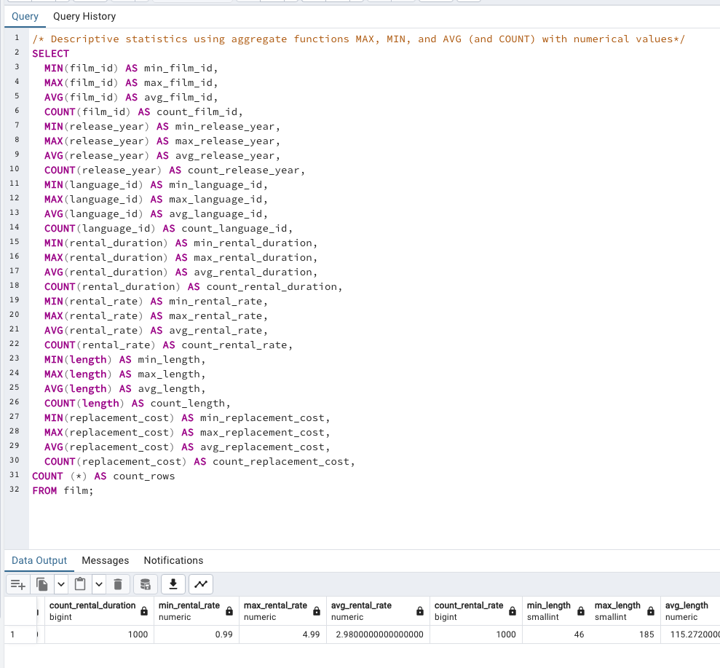
min_film_id | max_film_id | avg_film_id | count_film_id | min_release_year | max_release_year | avg_release_year | count_release_year | min_language_id | max_language_id | avg_language_id | count_language_id | min_rental_duration | max_rental_duration | avg_rental_duration | count_rental_duration | min_rental_rate | max_rental_rate | avg_rental_rate | count_rental_rate | min_length | max_length | avg_length | count_length | min_replacement_cost | max_replacement_cost | avg_replacement_cost | count_replacement_cost | count_rows
1.0 | 1000.0 | 500.5 | 1000.0 | 2006.0 | 2006.0 | 2006.0 | 1000.0 | 1.0 | 1.0 | 1.0 | 1000.0 | 3.0 | 7.0 | 5.0 | 1000.0 | 1.0 | 5.0 | 3.0 | 1000.0 | 46.0 | 185.0 | 115.3 | 1000.0 | 10.0 | 30.0 | 20.0 | 1000.0 | 1000.0

2 Film_ stats_ nonnum col
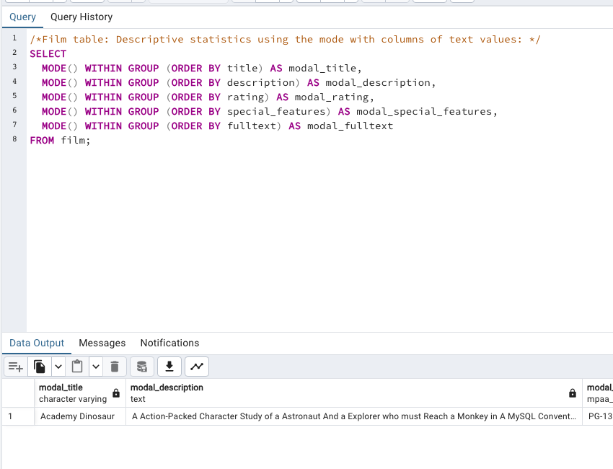
Column1 | Column2 | Column3 | Column4 | Column5
modal_title | modal_description | modal_rating | modal_special_features | modal_fulltext
Academy Dinosaur | A Action-Packed Character Study of a Astronaut And a Explorer who must Reach a Monkey in A MySQL Convention | PG-13 | {Trailers,Commentaries,"Behind the Scenes"} | 'baloon':19 'confront':14 'documentari':5 'feminist':8,11,16 'mile':2 'must':13 'spi':1 'thrill':4

3 Customer_stats_num
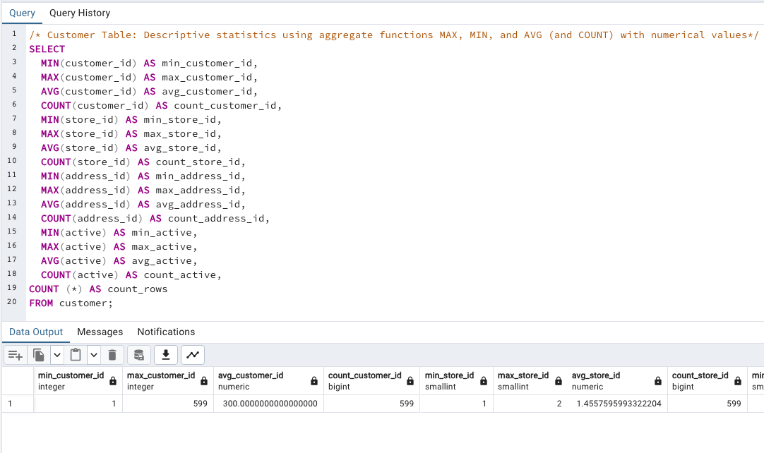
min_customer_id | max_customer_id | avg_customer_id | count_customer_id | min_store_id | max_store_id | avg_store_id | count_store_id | min_address_id | max_address_id | avg_address_id | count_address_id | min_active | max_active | avg_active | count_active | count_rows
1 | 599 | 300 | 599 | 1 | 2 | 1.4557595993 | 599 | 5 | 605 | 304.7245409 | 599 | 0 | 1 | 0.97495826377 | 599 | 599

4 Customer_ stats_nonnum col
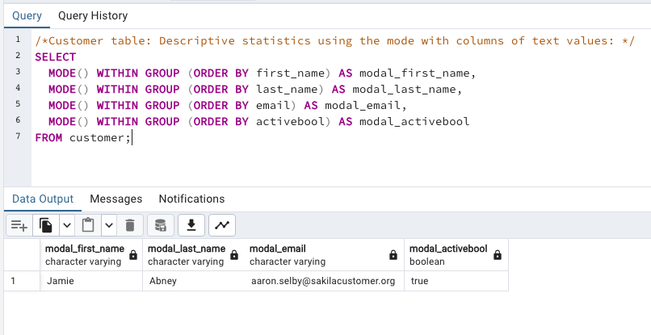
modal_first_name | modal_last_name | modal_email | modal_activebool
Jamie | Abney | aaron.selby@sakilacustomer.org | TRUE

5 Top countries customer count
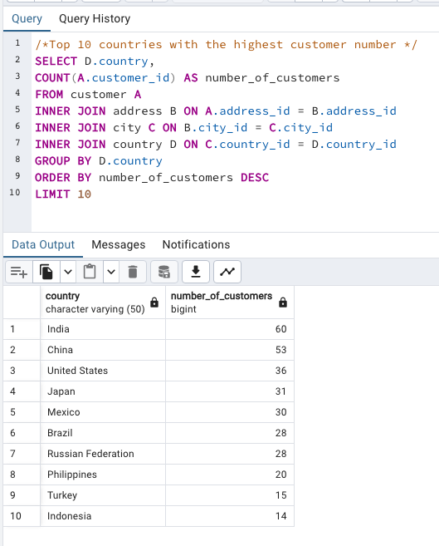
country | number_of_customers
India | 60
China | 53
United States | 36
Japan | 31
Mexico | 30
Brazil | 28
Russian Federation | 28
Philippines | 20
Turkey | 15
Indonesia | 14

6 Top 10 cities customer count
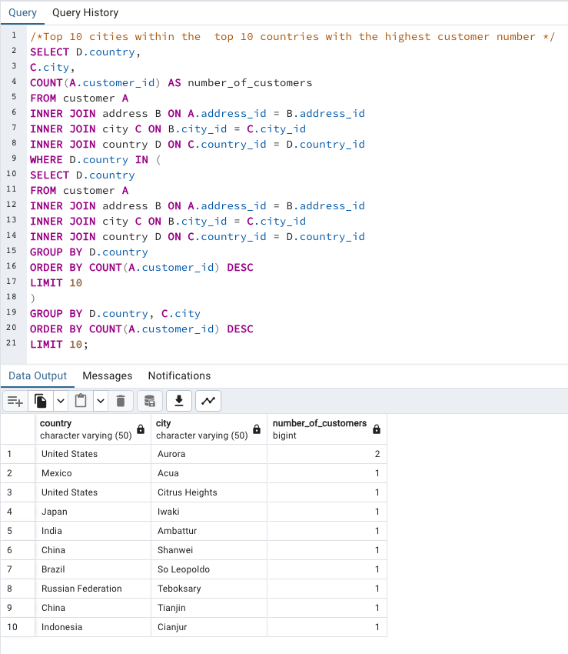
country | city | number_of_customers
United States | Aurora | 2
Mexico | Acua | 1
United States | Citrus Heights | 1
Japan | Iwaki | 1
India | Ambattur | 1
China | Shanwei | 1
Brazil | So Leopoldo | 1
Russian Federation | Teboksary | 1
China | Tianjin | 1
Indonesia | Cianjur | 1

7 Top10customers by amount paid
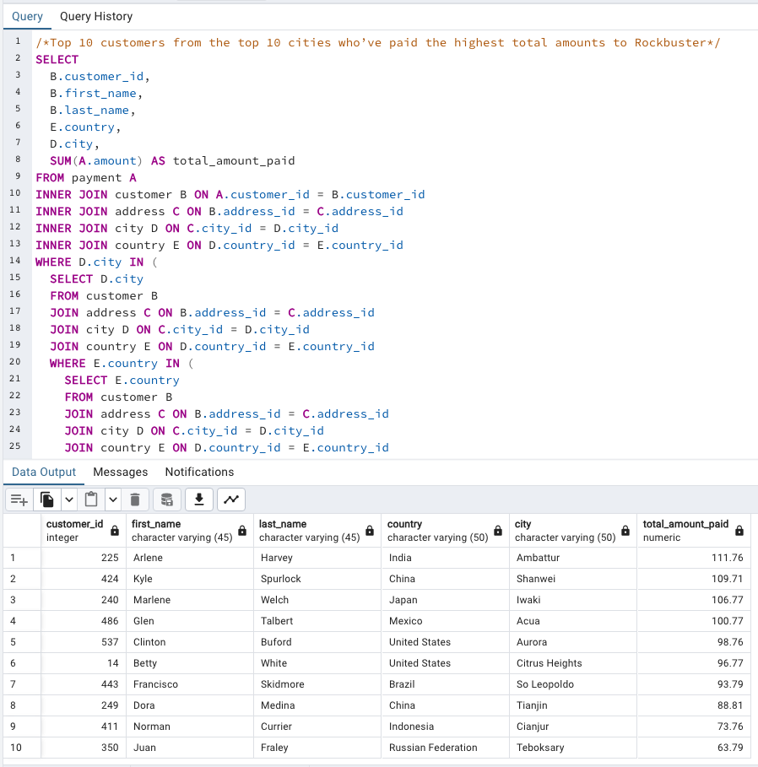
customer_id | first_name | last_name | country | city | total_amount_paid
225 | Arlene | Harvey | India | Ambattur | 111.76
424 | Kyle | Spurlock | China | Shanwei | 109.71
240 | Marlene | Welch | Japan | Iwaki | 106.77
486 | Glen | Talbert | Mexico | Acua | 100.77
537 | Clinton | Buford | United States | Aurora | 98.76
14 | Betty | White | United States | Citrus Heights | 96.77
443 | Francisco | Skidmore | Brazil | So Leopoldo | 93.79
249 | Dora | Medina | China | Tianjin | 88.81
411 | Norman | Currier | Indonesia | Cianjur | 73.76
350 | Juan | Fraley | Russian Federation | Teboksary | 63.79

8 Top countries by revenue
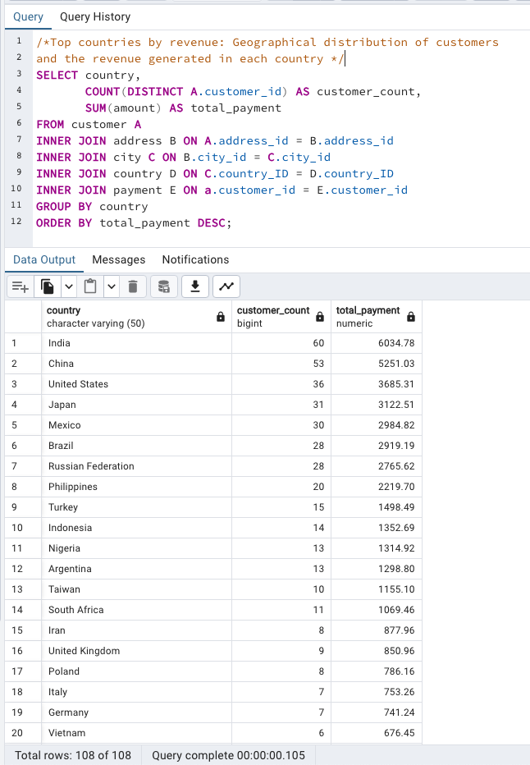
country | customer_count | total_payment
India | 60 | 6035
China | 53 | 5251
United States | 36 | 3685
Japan | 31 | 3123
Mexico | 30 | 2985
Brazil | 28 | 2919
Russian Federation | 28 | 2766
Philippines | 20 | 2220
Turkey | 15 | 1498
Indonesia | 14 | 1353
Nigeria | 13 | 1315
Argentina | 13 | 1299
Taiwan | 10 | 1155
South Africa | 11 | 1069
Iran | 8 | 878
United Kingdom | 9 | 851
Poland | 8 | 786
Italy | 7 | 753
Germany | 7 | 741
Vietnam | 6 | 676
Ukraine | 6 | 676
Colombia | 6 | 662
Egypt | 6 | 659
Venezuela | 7 | 632
Canada | 5 | 560
Netherlands | 5 | 558
South Korea | 5 | 528
Spain | 5 | 514
Yemen | 4 | 474
Pakistan | 5 | 474
Saudi Arabia | 5 | 453
Peru | 4 | 407
Thailand | 3 | 401
Israel | 4 | 379
Ecuador | 3 | 369
Bangladesh | 3 | 353
Algeria | 3 | 349
France | 4 | 334
Malaysia | 3 | 330
Tanzania | 3 | 322
Mozambique | 3 | 315
United Arab Emirates | 3 | 305
Dominican Republic | 3 | 304
Chile | 3 | 303
Austria | 3 | 284
Morocco | 3 | 274
Paraguay | 3 | 273
Belarus | 2 | 271
Latvia | 2 | 249
Switzerland | 3 | 248
Kenya | 2 | 245
Yugoslavia | 2 | 233
Puerto Rico | 2 | 224
Romania | 2 | 218
Runion | 1 | 212
French Polynesia | 2 | 206
Greece | 2 | 205
Sudan | 2 | 203
Azerbaijan | 2 | 199
Bulgaria | 2 | 195
Kazakstan | 2 | 193
Angola | 2 | 188
Cameroon | 2 | 186
Myanmar | 2 | 180
Cambodia | 2 | 180
Bolivia | 2 | 179
Congo, The Democratic Republic of the | 2 | 169
Oman | 2 | 162
Holy See (Vatican City State) | 1 | 147
Nauru | 1 | 144
Sweden | 1 | 140
Czech Republic | 1 | 133
Moldova | 1 | 128
Turkmenistan | 1 | 127
Chad | 1 | 123
Malawi | 1 | 122
Zambia | 1 | 122
Virgin Islands, U.S. | 1 | 122
Greenland | 1 | 120
Armenia | 1 | 119
Gambia | 1 | 115
Iraq | 1 | 112
Hungary | 1 | 112
Bahrain | 1 | 109
North Korea | 1 | 108
Brunei | 1 | 108
Kuwait | 1 | 107
Estonia | 1 | 106
Hong Kong | 1 | 105
Sri Lanka | 1 | 104
Liechtenstein | 1 | 100
Anguilla | 1 | 100
French Guiana | 1 | 98
Faroe Islands | 1 | 97
Senegal | 1 | 96
Nepal | 1 | 94
Tuvalu | 1 | 94
Madagascar | 1 | 93
Ethiopia | 1 | 92
New Zealand | 1 | 86
Slovakia | 1 | 81
Finland | 1 | 79
Tunisia | 1 | 74
Afghanistan | 1 | 68
Tonga | 1 | 65
Saint Vincent and the Grenadines | 1 | 65
Lithuania | 1 | 64
American Samoa | 1 | 48
 |  | 6083

9 film revenue
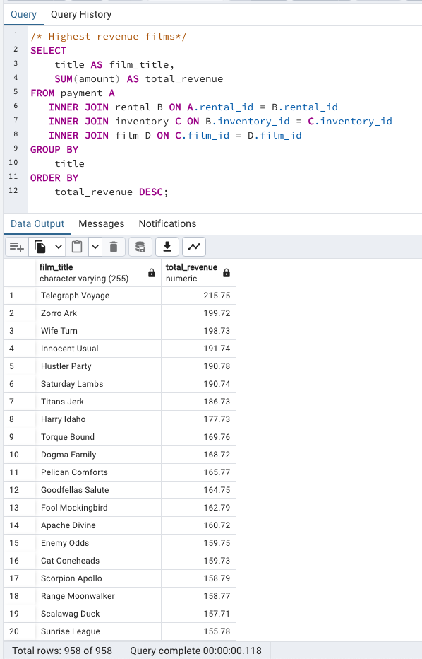
film_title | total_revenue
Telegraph Voyage | 215.75
Zorro Ark | 199.72
Wife Turn | 198.73
Innocent Usual | 191.74
Hustler Party | 190.78
Saturday Lambs | 190.74
Titans Jerk | 186.73
Harry Idaho | 177.73
Torque Bound | 169.76
Dogma Family | 168.72
Pelican Comforts | 165.77
Goodfellas Salute | 164.75
Fool Mockingbird | 162.79
Apache Divine | 160.72
Enemy Odds | 159.75
Cat Coneheads | 159.73
Scorpion Apollo | 158.79
Range Moonwalker | 158.77
Scalawag Duck | 157.71
Sunrise League | 155.78
Lola Agent | 154.77
Maiden Home | 152.78
Velvet Terminator | 152.77
Closer Bang | 152.76
Bucket Brotherhood | 150.72
Sting Personal | 149.8
Titanic Boondock | 149.78
Massacre Usual | 149.75
Nightmare Chill | 148.79
Videotape Arsenic | 148.76
American Circus | 146.81
Witches Panic | 146.75
Show Lord | 145.78
Minds Truman | 144.81
Working Microcosmos | 144.78
Head Stranger | 142.79
Wonderland Christmas | 142.79
Whisperer Giant | 141.8
Forrester Comancheros | 141.74
Backlash Undefeated | 140.84
Dorado Notting | 140.78
Boogie Amelie | 140.74
Secrets Paradise | 139.82
Mine Titans | 138.83
Stagecoach Armageddon | 138.77
Pity Bound | 138.77
Roses Treasure | 137.77
Streetcar Intentions | 137.77
Fellowship Autumn | 137.76
Steel Santa | 136.78
Confidential Interview | 136.76
Trip Newton | 135.74
Flintstones Happiness | 134.83
Garden Island | 134.82
Suit Walls | 134.81
Eagles Panky | 134.81
Flamingos Connecticut | 134.78
Attraction Newton | 133.78
Trading Pinocchio | 133.77
Easy Gladiator | 132.8
Heartbreakers Bright | 132.8
Durham Panky | 132.76
Moonshine Cabin | 131.8
Drifter Commandments | 131.78
Name Detective | 131.78
Aladdin Calendar | 131.77
Coneheads Smoochy | 131.76
Lies Treatment | 131.76
Midsummer Groundhog | 129.82
Details Packer | 128.82
Queen Luke | 128.79
Tourist Pelican | 126.81
Sabrina Midnight | 126.79
Liaisons Sweet | 126.79
Kiss Glory | 126.79
Seattle Expecations | 125.8
Beauty Grease | 125.79
Movie Shakespeare | 125.78
Gleaming Jawbreaker | 125.72
Chance Resurrection | 124.76
Calendar Gunfight | 123.82
Heavyweights Beast | 123.78
Satisfaction Confidential | 122.84
Yentl Idaho | 122.79
Coma Head | 122.77
Center Dinosaur | 121.79
Sleeping Suspects | 121.78
Princess Giant | 121.77
Pulp Beverly | 121.74
Kissing Dolls | 120.83
Dawn Pond | 120.83
Something Duck | 120.82
Trap Guys | 119.85
Pinocchio Simon | 119.82
Rage Games | 119.81
Bingo Talented | 119.75
Doors President | 118.82
Desert Poseidon | 118.81
Maltese Hope | 118.79
Suspects Quills | 118.73
Fidelity Devil | 117.82
Snatch Slipper | 117.8
High Encino | 117.79
Waterfront Deliverance | 116.84
Metropolis Coma | 116.76
Network Peak | 116.73
Road Roxanne | 115.83
Hunchback Impossible | 115.83
Beverly Outlaw | 115.79
Freddy Storm | 115.79
Conversation Downhill | 114.83
Cause Date | 114.81
Whale Bikini | 113.85
Lady Stage | 113.84
Redemption Comforts | 113.8
Strictly Scarface | 113.77
Secretary Rouge | 112.82
Agent Truman | 111.81
Candles Grapes | 111.8
Money Harold | 111.8
Mission Zoolander | 110.84
Interview Liaisons | 110.82
Prejudice Oleander | 110.81
Ridgemont Submarine | 110.72
Teen Apollo | 109.86
Shawshank Bubble | 109.81
Arachnophobia Rollercoaster | 109.77
Horn Working | 109.77
Butterfly Chocolat | 108.74
Command Darling | 107.84
Ghost Groundhog | 107.81
Philadelphia Wife | 107.8
Scarface Bang | 106.84
Brooklyn Desert | 106.81
Falcon Volume | 106.81
Spice Sorority | 106.81
Virtual Spoilers | 105.87
Galaxy Sweethearts | 105.84
League Hellfighters | 105.83
Requiem Tycoon | 105.82
Chasing Fight | 105.82
Driving Polish | 105.81
Secret Groundhog | 105.81
Reign Gentlemen | 105.81
Clueless Bucket | 105.77
Strangers Graffiti | 104.86
Breakfast Goldfinger | 104.84
Jerk Paycheck | 104.81
Wash Heavenly | 104.8
Truman Crazy | 104.8
Arizona Bang | 104.79
Hanky October | 104.77
Tycoon Gathering | 103.88
Million Ace | 103.83
Sleepless Monsoon | 103.83
Open African | 103.81
Angels Life | 103.8
Cupboard Sinners | 103.78
Greatest North | 103.73
Birds Perdition | 102.83
Undefeated Dalmations | 102.81
South Wait | 102.79
Forward Temple | 102.74
Timberland Sky | 102.74
Paycheck Wait | 101.84
Attacks Hate | 101.84
Expecations Natural | 101.83
Sweden Shining | 101.83
Tomorrow Hustler | 101.76
Samurai Lion | 101.76
Poseidon Forever | 100.83
Invasion Cyclone | 100.74
Giant Troopers | 100.74
Confused Candles | 99.84
Stepmom Dream | 99.81
Knock Warlock | 99.79
English Bulworth | 99.74
Hall Cassidy | 98.84
Egg Igby | 98.81
Brotherhood Blanket | 98.77
Thief Pelican | 97.84
Jason Trap | 97.77
Rocketeer Mother | 97.72
Grit Clockwork | 97.72
Shock Cabin | 96.71
Jericho Mulan | 95.84
Inch Jet | 95.82
Salute Apollo | 95.8
Gangs Pride | 95.78
Hyde Doctor | 95.76
Bilko Anonymous | 94.88
Gold River | 94.86
Mermaid Insects | 94.85
French Holiday | 94.84
Gorgeous Bingo | 94.83
Peak Forever | 94.82
Patton Interview | 94.79
Fargo Gandhi | 94.79
Fish Opus | 94.78
Expendable Stallion | 94.74
Spy Mile | 94.73
Day Unfaithful | 93.88
Pickup Driving | 93.85
Sugar Wonka | 93.85
Bear Graceland | 93.81
Camelot Vacation | 93.76
Sweethearts Suspects | 93.73
West Lion | 92.86
Hanging Deep | 92.85
Core Suit | 92.84
Jet Neighbors | 92.83
Hellfighters Sierra | 92.81
Fatal Haunted | 92.77
Silverado Goldfinger | 91.88
Destiny Saturday | 91.85
Balloon Homeward | 91.78
Dude Blindness | 90.87
Wizard Coldblooded | 90.85
Ice Crossing | 90.78
Pure Runner | 89.85
Coldblooded Darling | 89.84
Igby Maker | 89.83
Vacation Boondock | 89.81
Rocky War | 88.87
Memento Zoolander | 88.87
Candidate Perdition | 88.82
Metal Armageddon | 88.79
Idols Snatchers | 88.76
Telemark Heartbreakers | 88.76
Behavior Runaway | 87.89
Flash Wars | 87.88
Bright Encounters | 87.88
Hysterical Grail | 87.85
Darn Forrester | 87.83
Basic Easy | 87.8
Color Philadelphia | 87.78
Oz Liaisons | 87.78
Panky Submarine | 86.88
Airport Pollock | 86.85
Slacker Liaisons | 86.84
Virgin Daisy | 86.84
Seabiscuit Punk | 86.76
Muscle Bright | 86.73
Juggler Hardly | 86.71
Daisy Menagerie | 85.86
Steers Armageddon | 85.85
Robbers Joon | 85.74
Conquerer Nuts | 84.87
Chicago North | 84.85
Sea Virgin | 84.81
Alien Center | 84.8
Barbarella Streetcar | 84.78
Married Go | 84.74
Pittsburgh Hunchback | 83.89
Panther Reds | 83.86
Loser Hustler | 83.86
Sagebrush Clueless | 83.86
Dying Maker | 83.85
Forrest Sons | 83.83
Star Operation | 83.8
Affair Prejudice | 83.79
Oscar Gold | 83.75
Musketeers Wait | 82.85
Airplane Sierra | 82.85
Holiday Games | 82.85
Casablanca Super | 82.84
Hurricane Affair | 82.77
Paths Control | 81.9
Hanover Galaxy | 81.86
Campus Remember | 81.83
Rush Goodfellas | 81.72
Peach Innocent | 80.86
Dragonfly Strangers | 80.86
Human Graffiti | 80.85
Orient Closer | 80.83
Vanishing Rocky | 80.83
Wardrobe Phantom | 80.77
Operation Operation | 80.75
Edge Kissing | 79.87
Betrayed Rear | 79.87
Bikini Borrowers | 79.86
Carol Texas | 79.83
Paradise Sabrina | 79.82
Strangelove Desire | 79.78
None Spiking | 79.75
Super Wyoming | 78.88
Rules Human | 78.87
Submarine Bed | 78.87
Devil Desire | 78.86
Groundhog Uncut | 78.86
Jekyll Frogmen | 78.84
Intentions Empire | 78.83
Murder Antitrust | 78.79
Blackout Private | 78.77
Deer Virginian | 78.76
Tracy Cider | 78.76
Contact Anonymous | 78.76
Raging Airplane | 77.88
Creepers Kane | 77.87
Quills Bull | 77.87
Northwest Polish | 77.82
Flying Hook | 77.81
Harper Dying | 77.8
Quest Mussolini | 77.8
Disturbing Scarface | 77.77
Clash Freddy | 77.77
Horror Reign | 77.75
Lose Inch | 77.74
Model Fish | 76.87
Tuxedo Mile | 76.87
Grinch Massage | 76.86
Image Princess | 76.86
Lawless Vision | 76.86
Wanda Chamber | 76.86
Baked Cleopatra | 76.85
Sleepy Japanese | 76.83
National Story | 76.83
Unbreakable Karate | 76.81
Shakespeare Saddle | 76.8
Badman Dawn | 76.79
Island Exorcist | 76.77
Connecticut Tramp | 75.89
Moonwalker Fool | 75.89
Deep Crusade | 75.87
Searchers Wait | 75.86
Holes Brannigan | 75.86
Sons Interview | 75.85
Trojan Tomorrow | 75.82
Blues Instinct | 75.82
Atlantis Cause | 75.79
Malkovich Pet | 75.77
Autumn Crow | 74.9
Birch Antitrust | 74.89
Impossible Prejudice | 74.86
Lust Lock | 74.82
Flatliners Killer | 74.81
Crossroads Casualties | 74.8
Escape Metropolis | 74.77
Frost Head | 74.72
Thin Sagebrush | 73.89
California Birds | 73.89
Pluto Oleander | 73.87
Outlaw Hanky | 73.86
Words Hunter | 73.86
Wait Cider | 73.82
Fantasia Park | 73.81
Dream Pickup | 73.8
Half Outfield | 73.79
Darko Dorado | 72.9
Hope Tootsie | 72.83
Berets Agent | 72.8
Downhill Enough | 72.79
Cincinatti Whisperer | 71.89
Alabama Devil | 71.88
Blindness Gun | 71.87
Jacket Frisco | 71.84
Weekend Personal | 71.83
Wedding Apollo | 71.79
Jeepers Wedding | 70.87
Confessions Maguire | 70.87
Saturn Name | 70.87
Ferris Mother | 70.85
Remember Diary | 70.83
Trouble Date | 70.81
Others Soup | 70.8
Gentlemen Stage | 70.8
Amistad Midsummer | 70.79
Mallrats United | 70.78
Ties Hunger | 69.91
Daughter Madigan | 69.91
Beast Hunchback | 69.9
Vampire Whale | 69.89
Comforts Rush | 69.85
Instinct Airport | 69.83
Werewolf Lola | 68.88
Flight Lies | 68.88
Idaho Love | 68.85
Eyes Driving | 68.84
Bringing Hysterical | 68.81
Hobbit Alien | 68.74
Amelie Hellfighters | 67.9
Liberty Magnificent | 67.89
Dinosaur Secretary | 67.81
Jumping Wrath | 67.79
Goldfinger Sensibility | 67.79
Graffiti Love | 67.74
Rugrats Shakespeare | 67.72
Caribbean Liberty | 66.92
Twisted Pirates | 66.89
Past Suicides | 66.88
Dangerous Uptown | 66.88
Home Pity | 66.88
Boiled Dares | 66.87
Charade Duffel | 66.87
Worst Banger | 66.85
Zoolander Fiction | 66.85
Egypt Tenenbaums | 66.84
Wonka Sea | 66.82
Pollock Deliverance | 66.82
Stranger Strangers | 65.9
Chamber Italian | 65.88
Usual Untouchables | 65.88
War Notting | 65.88
Lonely Elephant | 65.87
Chariots Conspiracy | 65.81
House Dynamite | 65.8
Snowman Rollercoaster | 65.79
Madness Attacks | 65.77
Fiddler Lost | 64.9
Elephant Trojan | 64.9
Gunfighter Mussolini | 64.89
Madison Trap | 64.87
Divine Resurrection | 64.85
Swarm Gold | 64.77
Daddy Pittsburgh | 63.89
Anthem Luke | 63.89
Mother Oleander | 63.87
Bill Others | 63.82
Champion Flatliners | 62.9
Games Bowfinger | 62.88
Lovely Jingle | 62.87
Potter Connecticut | 62.85
Gaslight Crusade | 62.84
Driver Annie | 62.84
Reap Unfaithful | 62.84
Neighbors Charade | 62.83
Lebowski Soldiers | 62.82
Wrong Behavior | 62.8
Detective Vision | 62.76
Loathing Legally | 62.74
Casualties Encino | 61.92
Wyoming Storm | 61.89
Insider Arizona | 61.83
Alone Trip | 61.83
Pond Seattle | 61.82
Excitement Eve | 61.8
Divide Monster | 61.8
Orange Grapes | 61.78
Spartacus Cheaper | 60.91
Opus Ice | 60.9
Noon Papi | 60.85
Earring Instinct | 60.83
Sinners Atlantis | 60.81
Dynamite Tarzan | 60.77
Family Sweet | 60.73
King Evolution | 59.92
Jingle Sagebrush | 59.89
Born Spinal | 59.88
Jaws Harry | 59.87
Manchurian Curtain | 59.86
Nemo Campus | 59.86
Artist Coldblooded | 59.86
Honey Ties | 59.84
Barefoot Manchurian | 59.83
Clones Pinocchio | 59.83
Homicide Peach | 59.82
Smile Earring | 58.9
Sweet Brotherhood | 58.89
Nash Chocolat | 58.87
Fury Murder | 58.83
Doom Dancing | 58.83
Chicken Hellfighters | 58.81
Fiction Christmas | 58.81
Packer Madigan | 58.8
Hills Neighbors | 58.79
Lambs Cincinatti | 57.9
Temple Attraction | 57.9
October Submarine | 57.9
Sierra Divide | 57.85
Fireball Philadelphia | 57.81
Brannigan Sunrise | 56.91
Element Freddy | 56.9
Meet Chocolate | 56.89
Massage Image | 56.89
Fugitive Maguire | 56.89
Bowfinger Gables | 56.89
Opposite Necklace | 56.89
Turn Star | 56.88
Identity Lover | 56.88
Creatures Shakespeare | 56.84
Boulevard Mob | 56.84
Cider Desire | 56.83
River Outlaw | 56.82
Double Wrath | 56.79
Grapes Fury | 56.77
State Wasteland | 55.89
Beach Heartbreakers | 55.86
Analyze Hoosiers | 55.86
Mummy Creatures | 55.85
Greek Everyone | 55.83
Straight Hours | 55.81
Magnificent Chitty | 54.92
Lover Truman | 54.91
Ali Forever | 54.91
Monsoon Cause | 54.91
Racer Egg | 54.83
Outfield Massacre | 54.82
Dalmations Sweden | 54.82
Tights Dawn | 54.76
Bird Independence | 53.91
Nuts Ties | 53.91
Frisco Forrest | 53.91
Circus Youth | 53.86
Jade Bunch | 53.85
Perfect Groove | 53.84
Fight Jawbreaker | 53.8
Mockingbird Hollywood | 53.78
Ace Goldfinger | 52.93
Guys Falcon | 52.92
Vanilla Day | 52.91
Doubtfire Labyrinth | 52.91
Right Cranes | 52.9
Sensibility Rear | 52.9
Purple Movie | 52.88
Shane Darkness | 52.87
Patriot Roman | 52.85
Willow Tracy | 52.85
Gilmore Boiled | 52.76
Panic Club | 51.93
North Tequila | 51.91
Pilot Hoosiers | 51.86
Rouge Squad | 51.84
Moulin Wake | 51.84
Enough Raging | 51.84
Anaconda Confessions | 51.82
Karate Moon | 51.8
Chisum Behavior | 50.9
Lost Bird | 50.9
Iron Moon | 50.9
Window Side | 50.89
Reunion Witches | 50.82
Annie Identity | 50.81
Sun Confessions | 50.77
Handicap Boondock | 50.76
Bound Cheaper | 50.76
Valley Packer | 49.88
Exorcist Sting | 49.88
Mask Peach | 49.86
Heaven Freedom | 49.85
Novocaine Flight | 49.82
Chocolat Harry | 49.81
Dancing Fever | 49.76
Park Citizen | 48.94
Gosford Donnie | 48.92
Madigan Dorado | 48.92
Mod Secretary | 48.91
Rider Caddyshack | 48.89
Monster Spartacus | 48.86
Varsity Trip | 48.84
Kick Savannah | 48.83
Rock Instinct | 48.83
Sleuth Orient | 48.81
Slums Duck | 48.78
Sense Greek | 47.93
Reds Pocus | 47.92
Kramer Chocolate | 47.91
African Egg | 47.89
Dirty Ace | 47.87
Madre Gables | 47.87
Worker Tarzan | 47.86
Gables Metropolis | 47.83
Haunting Pianist | 47.8
Virginian Pluto | 47.75
Grosse Wonderful | 46.92
Wonderful Drop | 46.92
Trainspotting Strangers | 46.91
Stage World | 46.9
Alley Evolution | 46.87
Town Ark | 46.87
Shrunk Divine | 46.87
Troopers Metal | 46.86
Caddyshack Jedi | 46.86
Indian Love | 46.85
Newton Labyrinth | 46.84
Gunfight Moon | 46.79
Clerks Angels | 45.94
Casper Dragonfly | 45.93
Bugsy Song | 45.91
Lolita World | 45.91
Darkness War | 45.88
Uprising Uptown | 45.87
Pirates Roxanne | 45.81
Crusade Honey | 44.93
Speed Suit | 44.92
Darling Breaking | 44.92
Ship Wonderland | 44.86
Hours Rage | 44.82
Anything Savannah | 43.92
Drop Waterfront | 43.92
Potluck Mixed | 43.9
Microcosmos Paradise | 43.88
Personal Ladybugs | 43.87
Cyclone Family | 43.87
Freaky Pocus | 43.86
Shanghai Tycoon | 43.86
United Pilot | 43.85
Go Purple | 43.83
Pacific Amistad | 43.81
Goldmine Tycoon | 43.76
Ishtar Rocketeer | 42.94
Run Pacific | 42.91
Wars Pluto | 42.9
Modern Dorado | 42.88
Express Lonely | 42.88
Scissorhands Slums | 42.88
Graduate Lord | 42.87
Entrapment Satisfaction | 42.87
Uncut Suicides | 42.87
Stock Glass | 42.87
Lock Rear | 42.86
Kwai Homeward | 42.8
Voyage Legally | 42.75
Storm Happiness | 42.74
Punk Divorce | 41.93
Hoosiers Birdcage | 41.92
Miracle Virtual | 41.92
Hotel Happiness | 41.92
Breaking Home | 41.9
Speakeasy Date | 41.89
Party Knock | 41.88
Date Speed | 41.88
Labyrinth League | 41.87
Armageddon Lost | 41.8
Eve Resurrection | 40.93
Clue Grail | 40.93
Baby Hall | 40.93
Platoon Instinct | 40.92
Matrix Snowman | 40.92
Grail Frankenstein | 40.92
Tarzan Videotape | 40.92
Frida Slipper | 40.9
Forever Candidate | 40.88
Wasteland Divine | 40.88
Hunting Musketeers | 40.88
Paris Weekend | 40.88
Groove Fiction | 40.83
Tramp Others | 40.82
Banger Pinocchio | 40.8
Splendor Patton | 40.79
Effect Gladiator | 40.79
Pocus Pulp | 40.75
Terminator Club | 39.94
Jersey Sassy | 39.94
Fire Wolves | 39.93
Intolerable Intentions | 39.93
Hollow Jeopardy | 39.92
Legally Secretary | 39.92
Rollercoaster Bringing | 39.91
Lord Arizona | 39.9
Hamlet Wisdom | 39.88
Spinal Rocky | 39.87
Pajama Jawbreaker | 39.86
Cabin Flash | 39.86
Disciple Mother | 39.82
Mourning Purple | 39.81
Italian African | 38.94
Records Zorro | 38.93
Spiking Element | 38.88
Midnight Westward | 38.84
Club Graffiti | 38.82
Encounters Curtain | 38.82
Women Dorado | 38.81
Crooked Frogmen | 38.79
Pianist Outfield | 38.78
Graceland Dynamite | 37.94
Godfather Diary | 37.92
Vertigo Northwest | 37.92
Life Twisted | 37.92
Snatchers Montezuma | 37.91
Prix Undefeated | 37.9
Shrek License | 37.88
Roots Remember | 37.86
Joon Northwest | 37.84
Coast Rainbow | 37.82
Alaska Phantom | 37.77
Caper Motions | 37.77
Early Home | 36.94
Soldiers Evolution | 36.93
Elizabeth Shane | 36.93
Drumline Cyclone | 36.9
Necklace Outbreak | 36.86
Army Flintstones | 36.86
Majestic Floats | 36.85
Sundance Invasion | 36.82
Intrigue Worst | 36.81
Insects Stone | 36.81
Shootist Superfly | 36.77
Westward Seabiscuit | 36.75
Primary Glass | 36.73
Frontier Cabin | 35.94
Bubble Grosse | 35.94
School Jacket | 35.94
President Bang | 35.94
Glass Dying | 35.88
Fantasy Troopers | 35.79
Moon Bunch | 35.74
Story Side | 35.74
Elf Murder | 34.94
Magnolia Forrester | 34.89
Adaptation Holes | 34.89
Donnie Alley | 34.87
Illusion Amelie | 34.87
Taxi Kick | 34.83
Independence Hotel | 34.82
Curtain Videotape | 34.77
Earth Vision | 34.77
Carrie Bunch | 34.77
Talented Homicide | 34.76
Fever Empire | 33.95
Wagon Jaws | 33.91
Maguire Apache | 33.91
Cranes Reservoir | 33.91
Blanket Beverly | 33.9
Mile Mulan | 33.89
Splash Gump | 33.86
Watch Tracy | 33.85
Lion Uncut | 33.83
Wind Phantom | 33.79
Academy Dinosaur | 33.79
Heavenly Gun | 32.94
Tequila Past | 32.94
Bulworth Commandments | 32.93
Lucky Flying | 32.9
Stone Fire | 32.9
Maker Gables | 32.9
Saddle Antitrust | 32.89
Robbery Bright | 32.88
Summer Scarface | 32.86
Stampede Disturbing | 32.86
Volcano Texas | 32.81
Amadeus Holy | 32.8
Haunted Antitrust | 31.94
Dozen Lion | 31.94
Desperate Trainspotting | 31.94
Control Anthem | 31.94
Saints Bride | 31.92
Destination Jerk | 31.92
Feathers Metal | 31.91
Random Go | 31.91
Song Hedwig | 31.9
Hedwig Alter | 31.9
Mighty Luck | 31.9
Natural Stock | 31.88
Rings Heartbreakers | 31.87
Bonnie Holocaust | 31.85
Voice Peach | 31.83
Outbreak Divine | 31.82
Congeniality Quest | 31.81
Chainsaw Uptown | 31.81
Feud Frogmen | 31.8
Seven Swarm | 30.95
Blood Argonauts | 30.93
Jumanji Blade | 30.92
Mulan Moon | 30.89
Theory Mermaid | 30.88
Factory Dragon | 30.85
Cheaper Clyde | 30.83
Mars Roman | 30.83
Alter Victory | 30.8
Gun Bonnie | 30.79
Alamo Videotape | 30.78
Halloween Nuts | 29.92
Gone Trouble | 29.92
Reservoir Adaptation | 29.91
Wisdom Worker | 29.91
Uptown Young | 29.9
Santa Paris | 29.9
Side Ark | 29.88
Roxanne Rebel | 29.83
Blade Polish | 29.81
Chill Luck | 29.79
Cowboy Doom | 28.93
Luke Mummy | 28.93
Untouchables Sunrise | 28.93
Chitty Lock | 28.92
Dwarfs Alter | 28.92
Won Dares | 28.91
Jeopardy Encino | 28.9
Tootsie Pilot | 28.88
Dances None | 28.87
Louisiana Harry | 28.84
Celebrity Horn | 28.79
Shepherd Midsummer | 28.77
Informer Double | 27.95
Squad Fish | 27.93
Papi Necklace | 27.93
Antitrust Tomatoes | 27.93
Dolls Rage | 27.92
Mob Duffel | 27.9
Minority Kiss | 27.89
Dragon Squad | 27.89
Rear Trading | 27.85
Cleopatra Devil | 27.85
Room Roman | 27.82
Encino Elf | 27.81
Highball Potter | 27.81
Canyon Stock | 27.81
Grease Youth | 27.8
Private Drop | 26.95
Dares Pluto | 26.92
Pet Haunting | 26.92
Unfaithful Kill | 26.92
Crazy Home | 26.91
Finding Anaconda | 26.9
Evolution Alter | 26.88
Empire Malkovich | 26.81
Christmas Moonshine | 26.81
Bunch Minds | 25.95
Pizza Jumanji | 25.94
Desire Alien | 25.92
Motions Details | 25.87
Translation Summer | 25.87
Borrowers Bedazzled | 25.8
Roman Punk | 25.79
Train Bunch | 24.96
Apocalypse Flamingos | 24.95
Hunter Alter | 24.95
Traffic Hobbit | 24.95
Bed Highball | 24.94
Diary Panic | 24.92
World Leathernecks | 24.92
Oleander Clue | 24.91
Notorious Reunion | 24.87
Drums Dynamite | 24.87
Slipper Fidelity | 24.86
Resurrection Silverado | 24.81
Masked Bubble | 24.81
Deceiver Betrayed | 24.8
Wolves Desire | 24.79
Doctor Grail | 23.95
Mannequin Worst | 23.95
Cassidy Wyoming | 23.94
Chaplin License | 23.92
Clyde Theory | 23.92
Birdcage Casper | 23.91
Reef Salute | 23.89
Jungle Closer | 23.88
Homeward Cider | 23.84
Holocaust Highball | 23.84
Lesson Cleopatra | 22.94
Extraordinary Conquerer | 22.94
Happiness United | 22.94
Newsies Story | 22.93
Bang Kwai | 22.93
Shining Roses | 22.92
Savannah Town | 22.9
Everyone Craft | 22.89
Wrath Mile | 22.87
Love Suicides | 22.85
Unforgiven Zoolander | 22.84
Dracula Crystal | 22.81
Divorce Shining | 21.95
Phantom Glory | 21.94
Leathernecks Dwarfs | 21.94
Warlock Werewolf | 21.94
Killer Innocent | 21.94
Mulholland Beast | 21.93
Luck Opus | 21.93
Arabia Dogma | 21.88
Citizen Shrek | 21.87
Vietnam Smoochy | 21.86
Bull Shawshank | 21.84
Patient Sister | 21.82
Duck Racer | 20.95
Music Boondock | 20.83
Jedi Beneath | 20.82
Bride Intrigue | 20.82
Gathering Calendar | 19.9
Monterey Labyrinth | 19.89
Sorority Queen | 19.88
Hunger Roof | 19.88
Tenenbaums Command | 19.88
Odds Boogie | 19.87
Tomatoes Hellfighters | 19.86
Rushmore Mermaid | 18.94
Menagerie Rushmore | 18.94
Simon North | 18.94
Impact Aladdin | 18.92
Spoilers Hellfighters | 18.91
Spirited Casualties | 18.9
Language Cowboy | 18.9
Craft Outfield | 18.86
Polish Brooklyn | 18.85
Ladybugs Armageddon | 17.94
License Weekend | 17.94
Magic Mallrats | 17.93
Holy Tadpole | 17.92
Mystic Truman | 17.92
Gilbert Pelican | 17.91
Ending Crowds | 17.9
Anonymous Human | 17.87
Streak Ridgemont | 17.87
Hook Chariots | 17.87
Pride Alamo | 17.85
Smoking Barbarella | 17.84
Conspiracy Spirit | 16.95
Full Flatliners | 16.95
Braveheart Human | 16.95
Youth Kick | 16.94
Superfly Trip | 16.91
Beneath Rush | 16.9
Frogmen Breaking | 16.9
Beethoven Exorcist | 16.89
Mosquito Armageddon | 16.89
Loverboy Attacks | 16.89
Gandhi Kwai | 16.87
Siege Madre | 16.86
Mixed Doors | 15.96
Hardly Robbers | 15.96
Mussolini Spoilers | 15.95
Wild Apollo | 15.94
Lawrence Love | 15.87
Silence Kane | 15.85
Glory Tracy | 14.95
Vanished Garden | 14.94
Sling Luke | 14.94
Runner Madigan | 14.92
Crow Grease | 14.89
Smoochy Control | 14.88
Sassy Packer | 14.88
Bedazzled Married | 14.88
Greedy Roots | 14.87
Spirit Flintstones | 14.86
Dumbo Lust | 13.94
Watership Frontier | 13.94
Kane Exorcist | 13.88
Hollywood Anonymous | 13.87
Hawk Chill | 12.94
Legend Jedi | 12.92
Notting Speakeasy | 12.91
Victory Academy | 12.91
Valentine Vanishing | 12.9
Vision Torque | 11.94
Sunset Racer | 11.93
Soup Wisdom | 11.93
Runaway Tenenbaums | 11.93
Montezuma Command | 11.91
Clockwork Paradise | 11.9
Maude Mod | 10.93
Zhivago Core | 10.93
Jawbreaker Brooklyn | 10.91
Towers Hurricane | 10.91
Comancheros Enemy | 9.94
Ballroom Mockingbird | 9.93
Connection Microcosmos | 8.95
Harold French | 8.93
Ghostbusters Elf | 8.93
Stallion Sundance | 7.94
Japanese Run | 7.94
Lights Deer | 7.93
Treatment Jekyll | 6.94
Cruelty Unforgiven | 6.94
Rebel Airport | 6.93
Young Language | 6.93
Freedom Cleopatra | 5.95
Duffel Apocalypse | 5.94
Oklahoma Jumanji | 5.94
Texas Watch | 5.94

10 revenue films by genre
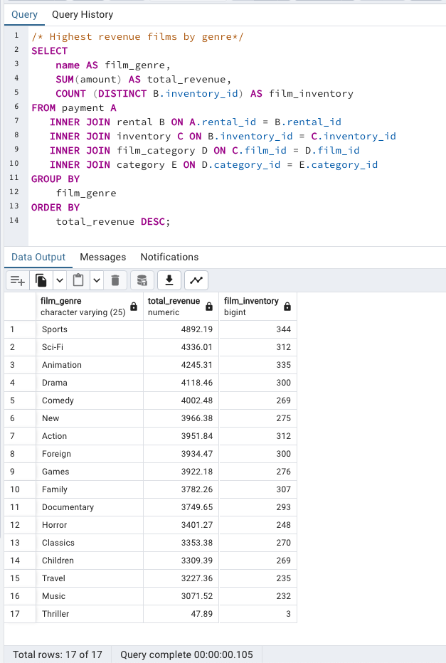
film_genre | total_revenue | film_inventory
Sports | 4892.19 | 344
Sci-Fi | 4336.01 | 312
Animation | 4245.31 | 335
Drama | 4118.46 | 300
Comedy | 4002.48 | 269
New | 3966.38 | 275
Action | 3951.84 | 312
Foreign | 3934.47 | 300
Games | 3922.18 | 276
Family | 3782.26 | 307
Documentary | 3749.65 | 293
Horror | 3401.27 | 248
Classics | 3353.38 | 270
Children | 3309.39 | 269
Travel | 3227.36 | 235
Music | 3071.52 | 232
Thriller | 47.89 | 3

